1. Title Page
[Project Name]

Project Name: Instacart Data Analysis
Date: 03/05/2023
Analyst Name: Hazem Elnady

Contents:
Population Flow
Consistency checks
Wrangling steps
Column derivations
Visualizations
Recommendations

2. Population Flow
 |  | Title page

Population flow

Exclusion flag
Condition: max_order < 5
Obervations to be removed: low_activity customers
Final total count of order_products_all: 30964564

Orders_products_combined
Orders_products_merged
Orders_products_all

Total:
Total: 32434489
Total:
32404859 | 32404859

1.) The grey boxes in the first row of the population flow represent the original data sets as they were when you downloaded them. In the Total fields you need to add the count of the rows when you imported the data set into Jupyter.
2.) The second row of boxes (coloured) represents the data sets after you manipulated them, e.g., removed missing values and duplicates. In the Total fields you need to add the count of the rows after conducting these operations. This offers a visual oveview of how the data flows throughout the data consistency checks.
3.) The third row, where also the arrows are coloured, represents the merges you performed between the datasets. In the Total fields you need to add the count of the rows in the merged datasets, so that you end up with the final dataset (in the red box). Keep in mind the final dataset should be without exclusions (based on the exclusion flag).

3. Consistency checks
 |  |  |  | Title page
Consistency checks

Dataset | Missing values | Missing values treatment | Duplicates
orders | NaN 206209 | The missing values are almost 200,000 rows, that's alot of data compared to the data frame, we cannot just dropped them out, so i chose to replace it with the mean value | No duplicates
products | product name 16 | dropping missing values | 5 duplicate values (dropped)
orders_products_prior | NA | NA | NA
customers | 5127 value (prices) | 5127 values with 9999 $ which is not logic | dropping missing values

4. Wrangling steps
 |  |  |  | Title page
Wrangling steps

Columns dropped | Columns renamed | Columns' type changed | Comment/Reason
eval_set' (orders dataset) | order_dow' : 'orders_day_of_week' (orders dataset) | order_id' astype ('str') | The name wasn't clear
first name' , 'surname', 'fam_status' (customer dataset) | STATE' : State (customer dataset) | user_id' astype ('str') | No need in project analysis
 | income : Annual_income (customer dataset) |  | The name wasn't clear
 | n_dependant : dependants (customer dataset) |  | The name wasn't clear

5. Column derivations
 |  |  |  | Title page

Column derivations and aggregations

In this tab you should add tables below that the frequences of flags/label variables that you produced after deriving them. NB: don't do this for continuous variables, only for flags.
Dataset | New column | Column/s it was derived from | Conditions
orders_products_merged | price_range | prices | creating a flag that sorts products according to price.
orders_products_merged | busiest_day | orders_day_of_the_week | show how many sales occur on each of the different types of days.
orders_products_merged | busiest_period_of_day | order_hour_of_day | show how many sales occur on each of the different times of days.
orders_products_merged | loyalty_flag | max_order | Locate customers loyalty level based on purshasing behavior
orders_products_merged | spending_flag | average_price | target different types of spenders based on average price or products purchased by the users
orders_products_merged | order_frequency_flag | median_of_prior_orders | determine frequent versus non-frequent customers by Creating an order frequency flag that marks the regularity of a user’s ordering behavior according to the median in the “days_since_prior_order” column
orders_products_all | region | states | Creating Regions based on states distribution
orders_products_all | exclusion flag | max_order | Addressing high and low-activity customers based on their max order and excluding low-activity customers < 5
orders_products_all | customer_profile | (dependants, annual_income, Age) | Based on customer profiling in their database, marketing, and business strategy can create more relevant marketing strategies for different products.

6. Visualizations & Recom.
 |  |  |  |  |  | Title page

Visualisations

In this tab you should include all the visualtions from Exercises 4.9 and 4.10, alongside the questions from the project brief that they answer. Include any commentary on the relationship between different variables.

Q (1):The sales team needs to know what the busiest days of the week and hours of the day are (i.e., the days and times with the most orders) in order to schedule ads at times when there are fewer orders.

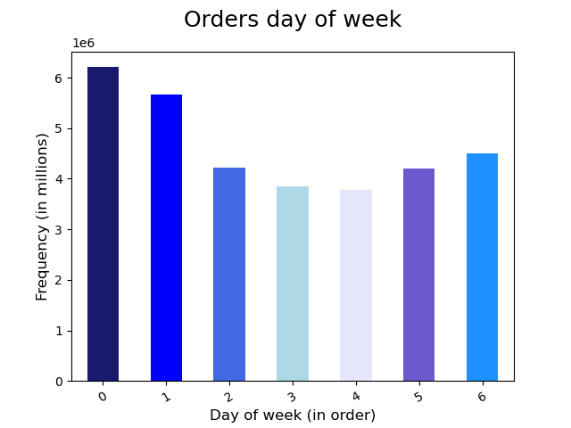
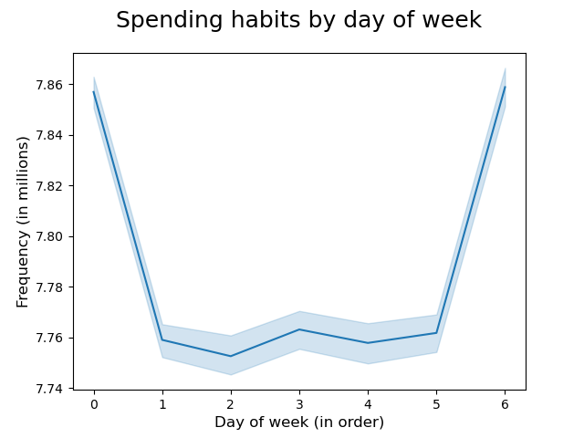

Answer: The weekend Saturday (0) & Sunday(1) placed the busiest days for instacart orders of the week, where the week-days almost have the same numbers. The out puts kind of normal as the most consumptions happens in the weekends. Recommendations: Scheduling targeted ads from Thursday onwards shoppers are reminded of items in the run up to the weekend could help drive up sales. We could also consider running ad campaigns highlighting particular weekend deals throughout the week, during less busy times and perhaps when many customers will be at computer screens, to help drive excitement and anticipation

Q (2): They also want to know whether there are particular times of the day when people spend the most money, as this might inform the type of products they advertise at these times.

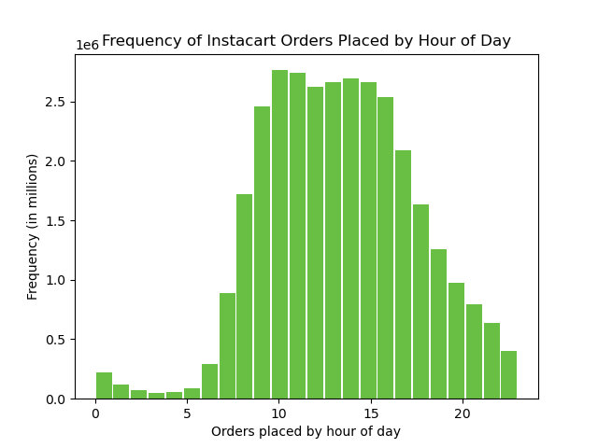
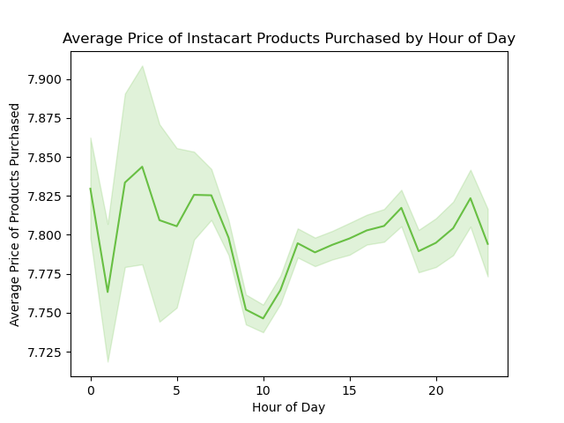

Answer: It's clear that most of the orders places between 8 AM to 5 PM. Recommendations: I believe if there will be any advanced action to raise numbers of purchased orders after 8 PM is to target the customers who works at night-shifts.

Q (3): Instacart has a lot of products with different price tags. Marketing and sales want to use simpler price range groupings to help direct their efforts

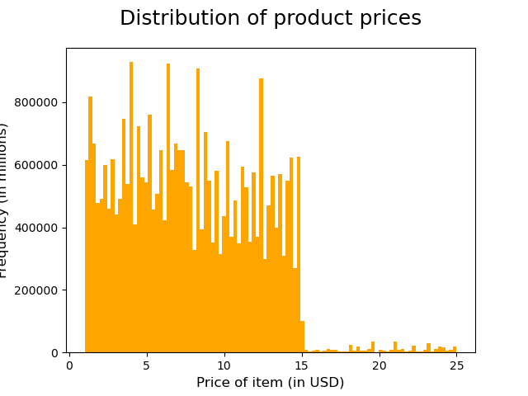
Price grouping conditions <= 5 : 'Low-range product' (> 5) & ( <= 15) : 'Mid-range product' > 15: 'High range'

Answer: Initial analysis shows that prices range from $1 and $25, with the majority of products being under $15. Products were therefore grouped into three categories: high, medium, and low-range.

Q (4): Are there certain types of products that are more popular than others? The marketing and sales teams want to know which departments have the highest frequency of product orders.

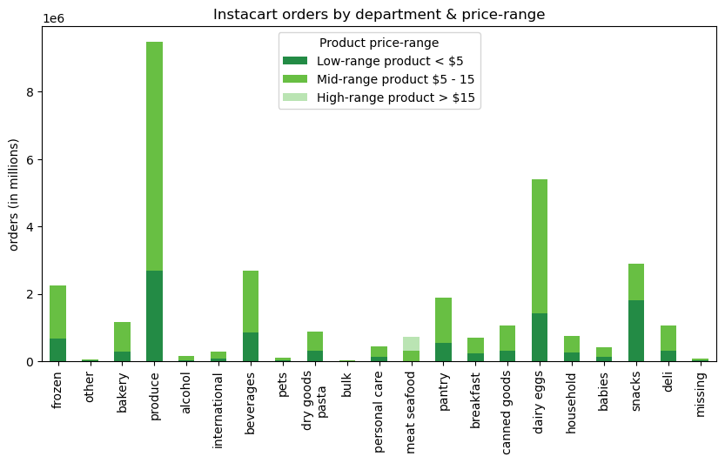

 |  |  |  |  | Answer: Relying on the product price range, we found that only few products has the highest consumptions like (produce & dairy eggs) where the others almost has the same levels of consumption more or less. Recommendations: The coming compaign should focus on some products with mid-price range like (meat - seafood / breakfast & frozen)

Q (5): What’s the distribution among users in regards to their brand loyalty (i.e., howoften do they return to Instacart)? |  |  |  | Q (6): Are there differences in ordering habits based on a customer’s loyalty status?

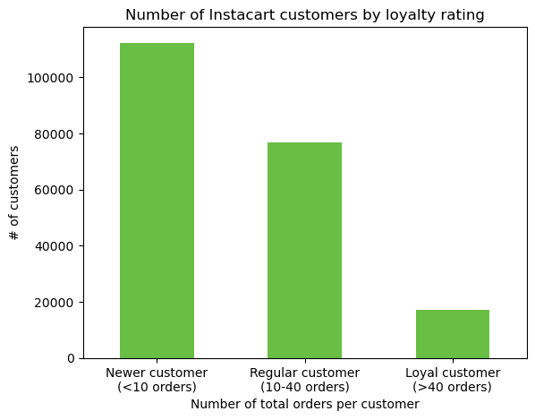
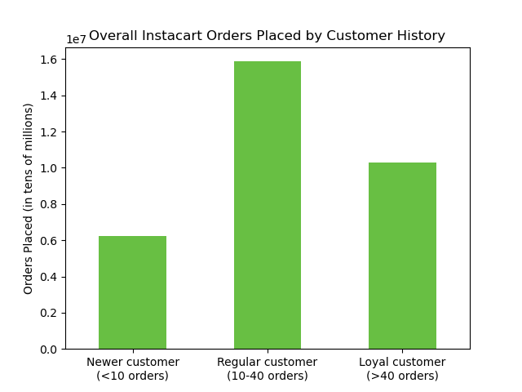

Answer: The analysis above distributes the customers loyalty based on their purchasing behavior (Newer customers {<10 orders}), (Regular customers {10-40 orsers}) & (Loyal customers {>40 orders}) . Recommendations: Instacart should create more offers to the newers customers to shift them to the regular category (>10 orders), the same with the regular customers to be converted to loyal customers. Also we need to maintain and keep the number of rugular customers as they reflect the most orders among all categories.

 |  |  |  | we see regular customers purchase the most products, followed by loyal customers, and finally, new customers, that tells us that Loyal customers may be less as numbers but they are the highest consumptions. Recommendations: as mentioned the marketing compaigns should focus on newer customers in terms of increasing their numbers and orders.

Q (7): What different classifications does the demographic information suggest? Age? Income? Certain types of goods? Family status?

 |  |  |  | Age Category: The youngest customer is 18 and the older is 81. We therefore grouped customers into three age categories: Youth: 18 - 39 Middle Age: 40 - 64 Senior: 65+ Purchasing days and times across all three age groups is similar
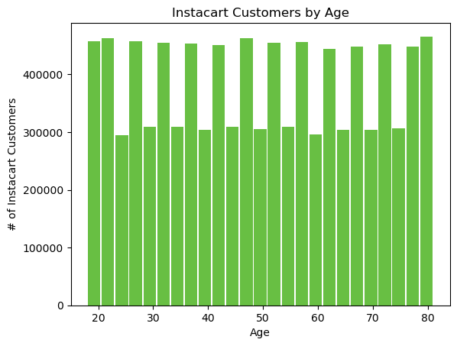

 |  |  | There are no days where an age group is making more purchases than the others

 | Purchasing days and times across all three age groups is similar. No insight could be provided from Customer's age analysis as it's all equally distributed, I believe to get more valuable inputs we should add another factor so we can mesure up the difference of customers numbers based on their age. (At the end it will help us to conduct special campaigns based on ages).

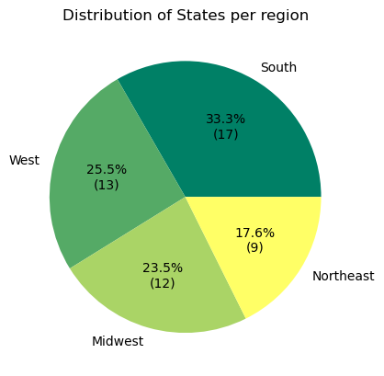

 |  | With the fabricated demographic information, customers were distributed evenly among all states, regardless of those states' real population sizes. We see above that the "South" has the most states and thus any measurement of absolute orders by region will be skewed towards the South since it automatically has the most population (with the way the demographics were fabricated).

